graphs
Total abnormal emissions reduction events per country (1995-2022)
break direction | negative

Row Labels | Count of country
Mexico | 3
Norway | 15
New Zealand | 26
Canada | 31
Turkiye | 34
Chile | 46
Australia | 47
Switzerland | 48
Colombia | 49
Japan | 52
Lithuania | 58
Poland | 58
Hungary | 59
United States | 60
Austria | 62
Israel | 67
Latvia | 70
Iceland | 74
Korea | 82
Czechia | 85
Costa Rica | 85
Portugal | 88
Estonia | 89
Slovakia | 95
Slovenia | 98
Spain | 109
Belgium | 126
Germany | 131
Finland | 132
Italy | 133
France | 149
Netherlands | 154
Denmark | 167
Greece | 175
Luxembourg | 178
United Kingdom | 230
Sweden | 237
Ireland | 261

country | Austria
Total abnormal emissions increases or decreases for Austria (1995-2022)
Row Labels | Count of country
Abnormal decreases | 62
Abnormal increases | 131

Total abnormal emission reductions for Austria by sector (1995-2022)
country | Austria
break direction | negative

Row Labels | Count of country
Electronics industry | 1
Indirect N2O - manure | 2
Residential | 2
Electricity and heat | 3
Manure management | 4
Wastewater treatment | 5
Substitutes for Ozone Depleting Substances | 8
Metal industry | 9
Incineration of waste | 13
Biomass burning | 15

Average emission reduction for Austria by sector (1995-2022)
country | Austria
break direction | negative

Row Labels | Average of coef
Metal industry | -3.09
Biomass burning | -1.61
Incineration of waste | -1.35
Electronics industry | -1.35
Substitutes for ODS | -0.89
Residential | -0.17
Electricity and heat | -0.16
Manure management | -0.06
Wastewater treatment | -0.06
Indirect N2O - manure | -0.05

Total abnormal emissions increases or decreases
country | (All)

Count of country | Column Labels
Year | Abnormal decreases | Abnormal increases
1996 | 5 | 14
1997 | 43 | 29
1998 | 112 | 86
1999 | 115 | 83
2000 | 203 | 177
2001 | 166 | 169
2002 | 120 | 171
2003 | 188 | 212
2004 | 170 | 223
2005 | 210 | 196
2006 | 213 | 230
2007 | 150 | 207
2008 | 185 | 195
2009 | 203 | 241
2010 | 225 | 182
2011 | 219 | 229
2012 | 151 | 193
2013 | 166 | 246
2014 | 95 | 165
2015 | 190 | 129
2016 | 121 | 162
2017 | 124 | 172
2018 | 83 | 102
2019 | 76 | 22
2020 | 122 | 37
2021 | 1 | 5
2022 | 7 | 3

pivot_table
country | Austria
break direction | negative

Row Labels | Average of coef
Metal industry | -3.088
Biomass burning | -1.605
Incineration of waste | -1.348
Electronics industry | -1.347
Substitutes for ODS | -0.887
Residential | -0.173
Electricity and heat | -0.163
Manure management | -0.062
Wastewater treatment | -0.060
Indirect N2O - manure | -0.046
Grand Total | -1.279

equiv_emissions
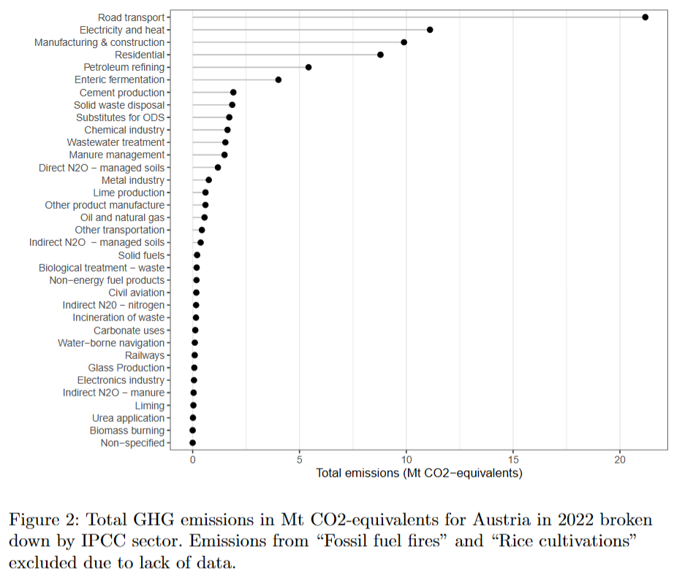
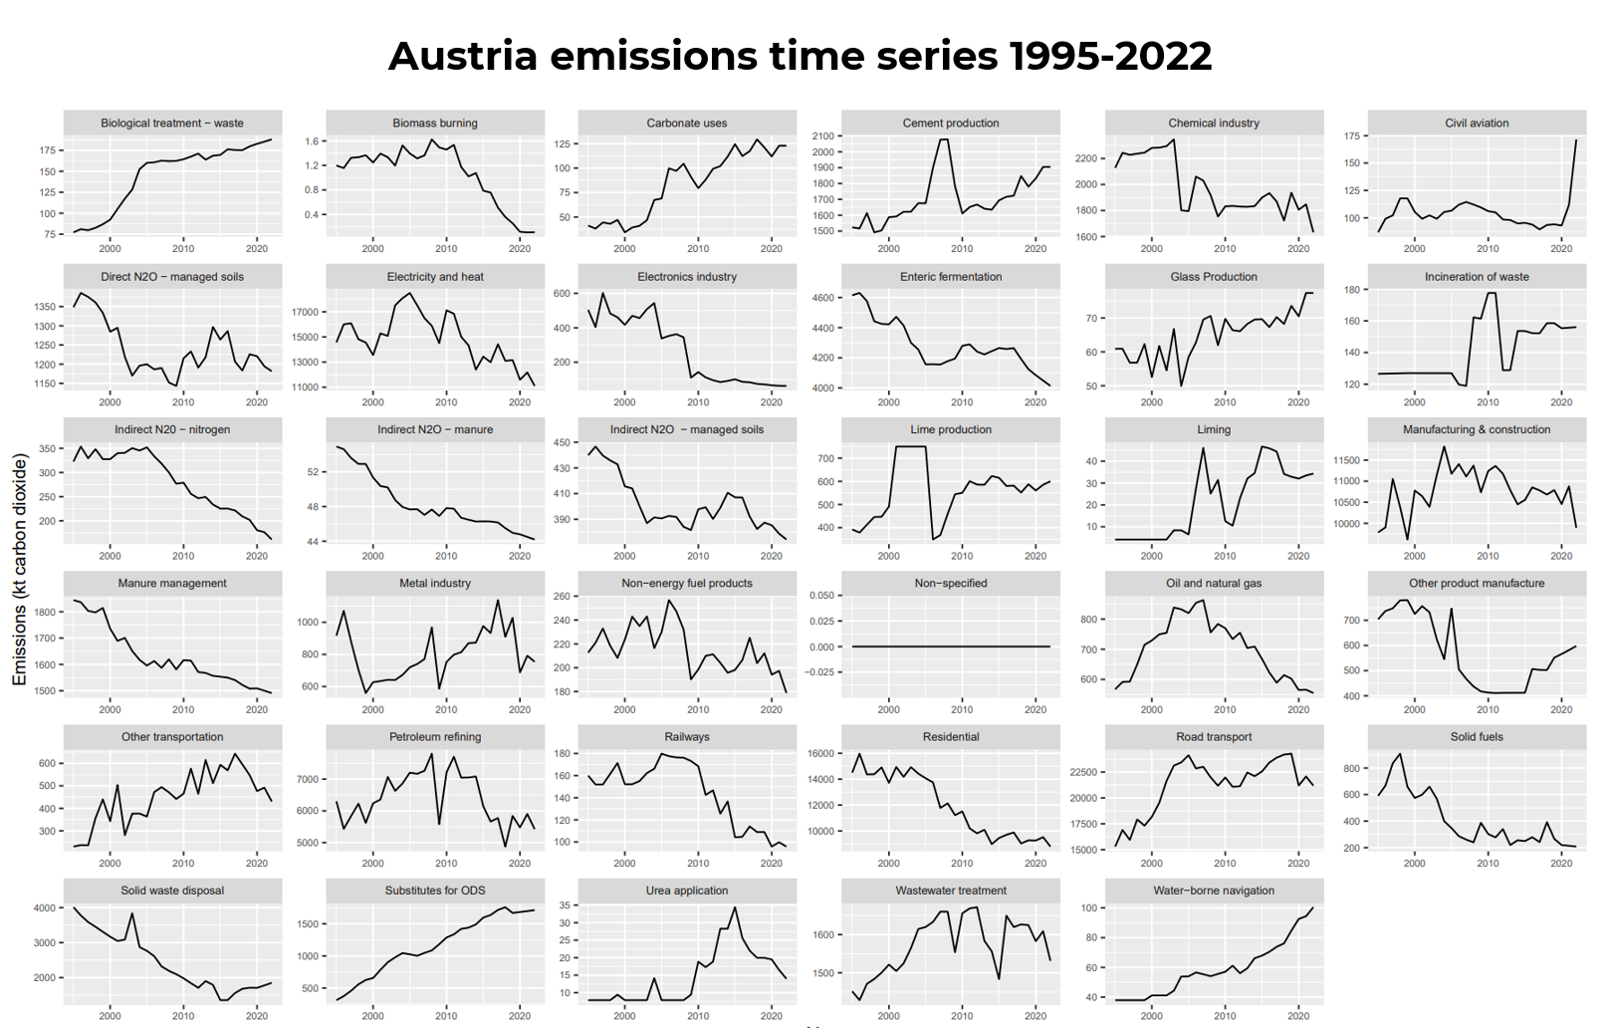
Sector | Gas | Year | Coefficient | Emissions (Gg) | GWP (100 year CO2-e) | Emissions (Gg CO2-e) | Emissions reduction (t CO2-e)
Biomass burning | all_ghg | 2019 | -1.6 | 0.256 | 1 | 0.256 | -410
Biomass burning | ch4 | 2019 | -1.61 | 0.007 | 28 | 0.205 | -330
Biomass burning | n2o | 2019 | -1.6 | 0 | 265 | 0.05 | -81
Electricity and heat | ch4 | 2000 | -0.17 | 1.079 | 28 | 30.218 | -5273
Electricity and heat | ch4 | 2019 | -0.14 | 2.936 | 28 | 82.217 | -11510
Electronics industry | fgas | 2009 | -1.35 | 0.007 | 6152 | 45.46 | -61234
Incineration of waste | co2 | 2009 | -1.56 | 1.668 | 1 | 1.668 | -2602
Incineration of waste | n2o | 2007 | -1.19 | 0 | 265 | 0.082 | -98
Incineration of waste | n2o | 2017 | -1 | 0 | 265 | 0.021 | -21
Indirect N2O - manure | all_ghg | 2014 | -0.05 | 46.27 | 1 | 46.27 | -2128
Indirect N2O - manure | n2o | 2014 | -0.05 | 0.175 | 265 | 46.27 | -2128
Manure management | all_ghg | 2014 | -0.06 | 1556.734 | 1 | 1556.734 | -99631
Manure management | all_ghg | 2015 | -0.06 | 1553.627 | 1 | 1553.627 | -99432
Manure management | ch4 | 2003 | -0.08 | 46.015 | 28 | 1288.409 | -99207
Manure management | n2o | 2015 | -0.04 | 1.277 | 265 | 338.315 | -13871
Metal industry | fgas | 1998 | -2.61 | 0.007 | 6152 | 42.261 | -110280
Metal industry | fgas | 1999 | -3.27 | 0.001 | 6152 | 5.721 | -18713
Metal industry | fgas | 2003 | -3.27 | 0 | 6152 | 0.925 | -3021
Metal industry | fgas | 2007 | -2.97 | 0 | 6152 | 0.078 | -230
Residential | ch4 | 2002 | -0.17 | 23.485 | 28 | 657.574 | -113760
Substitutes for ODS | all_ghg | 1999 | -0.62 | 625.662 | 1 | 625.662 | -387285
Substitutes for ODS | fgas | 2004 | -0.88 | 0.961 | 6152 | 5910.343 | -5185341
Substitutes for ODS | fgas | 2005 | -1.07 | 0.721 | 6152 | 4437.179 | -4768488
Wastewater treatment | n2o | 2000 | -0.06 | 0.54 | 265 | 143.062 | -9013
Wastewater treatment | n2o | 2003 | -0.05 | 0.53 | 265 | 140.439 | -6741

